Microsoft Finance
...
Product1 | 0.3 | Unadjusted Assumption
 |  | Americas Enterprise
Canada - Enterprise |  |  |  | FY22-Q1 | FY22-Q2 | FY22-Q3 | FY22-Q4 | FY23-Q1
Latam - Enterprise |  |  |  | Act | Act | Act | Act | Act
US - EC NE |  |  | TOTAL
US - EC South |  |  | EA Recurring | $2.0M | $2.0M | $2.0M | $2.0M | $2.0M
US - EC WMW |  |  | EA Renewal | $4.0M | $4.3M | $4.8M | $5.6M | $4.3M
 |  |  | New Annuity + Add-On | $2.4M | $2.8M | $2.6M | $3.2M | $3.6M
 |  |  | Total Annuity | $8.4M | $9.1M | $9.4M | $10.8M | $9.9M
Assumption strays from the rest |  |  | Non-Annuity | $1.0M | $1.2M | $1.4M | $1.1M | $1.4M
 |  |  | 3PH | $0.8M | $1.0M | $0.6M | $1.4M | $0.8M
Overview: this is a template of my budgeting and forecast file. In other words, this file allowed me to do 2: specific things:
1) Close: look at how we have historically performed, (aka all the columns before column Q- Fy25Q2 because Q2 has not finished yet and will end in December) and compare against our budget (what we thought we were going to perform at the beginning of the Fiscal year) I will analyze our business from a product lens, geogrpaphical lens and pricing level lens.
2) Forecast: Based on how we landed historically, predict how do we EXPECT to perform in future fiscal quarters for the rest of the fiscal year.
- Questions:
What was our performance quarter to date? Expected answer: QTD (quarter to date) we landed $100M, +4M vtb (aka we got 4M more than what we put down for our budget expection- this metric is found in columns Z-AC), and -15% YoY (year over year growth rate)
What were the key drivers of this variance to budget? Expected answer: This was driven by Americas Enteprise (geogrpahy) who landed +6M VTB (explains part of the +4M VTB stated earlier) and offset by Federal -2M VTB (whihc explains why overall VTB was only +4M). Repeat this same process for Pricing Level (e.g. EA recurring, New, Renewals) and Product Level (e.g. Azure, Excel Copilot, AOAI, D365 etc.)
What does our overall trend look like over time? Expected answer: yeor over year (YoY, %), we performed -X% which is line with our overall deceleration we have been seeing over the past 4 years. QoQ we performed +15%, which is explained by seasonality from the holidays and increased consumption of Xbox Hardware products.
What doe we think we are going to land for Q2? After normalizing for a one time spike in revenue last year for americas (so removing the number from the analysis), I took an average of the growth rate and applied it to last year to arrive at my Q2 number.
 |  |  | CSP | $1.5M | $1.4M | $1.6M | $1.8M | $1.8M
 |  |  | Direct | $0.4M | $1.2M | $1.2M | $0.4M | $0.2M
 |  |  | Product1 ESU | $1.0M | $0.6M | $1.4M | $0.8M | $1.2M
 |  |  | Product2 ESU | $1.6M | $0.6M | $1.4M | $0.8M | $1.2M
 |  |  | Total | $14.7M | $15.1M | $17.0M | $17.1M | $16.5M
 |  |  | Expirations | $4.4M | $3.6M | $4.6M | $2.8M | $2.8M
 |  |  | Annuity Base | $6.4M | $5.6M | $6.6M | $4.8M | $4.8M
 |  |  | New above Annuity | $2.0M | $3.5M | $2.8M | $6.0M | $5.1M
 |  |  | New % of Annuity | 31% | 63% | 42% | 125% | 106%

 |  |  | Canada - Enterprise
 | Canada - Enterprise | Canada - Enterprise | EA Recurring | $1.0M | $1.0M | $1.0M | $1.0M | $1.0M
 | Canada - Enterprise | Canada - Enterprise | EA Renewal | $2.0M | $2.5M | $2.7M | $2.8M | $2.0M
 | Canada - Enterprise | Canada - Enterprise | New Annuity + Add-On | $1.2M | $1.4M | $1.3M | $1.6M | $1.8M
 | Canada - Enterprise | Canada - Enterprise | Total Annuity | $4.2M | $4.9M | $5.0M | $5.4M | $4.8M
 | Canada - Enterprise | Canada - Enterprise | Non-Annuity | $0.5M | $0.6M | $0.7M | $0.6M | $0.7M
 | Canada - Enterprise | Canada - Enterprise | 3PH | $0.4M | $0.5M | $0.3M | $0.7M | $0.4M
 | Canada - Enterprise | Canada - Enterprise | CSP | $0.8M | $0.7M | $0.8M | $0.9M | $0.9M
 | Canada - Enterprise | Canada - Enterprise | Direct | $0.2M | $0.6M | $0.6M | $0.2M | $0.1M
 | Canada - Enterprise | Canada - Enterprise | Product1 ESU | $0.5M | $0.3M | $0.7M | $0.4M | $0.6M
 | Canada - Enterprise | Canada - Enterprise | Product2 ESU | $0.8M | $0.3M | $0.7M | $0.4M | $0.6M
 | Canada - Enterprise | Canada - Enterprise | Total | $7.4M | $7.9M | $8.8M | $8.6M | $8.1M
 | Canada - Enterprise | Canada - Enterprise | Expirations | $2.2M | $1.8M | $2.3M | $1.4M | $1.4M
 | Canada - Enterprise | Canada - Enterprise | Annuity Base | $3.2M | $2.8M | $3.3M | $2.4M | $2.4M
 | Canada - Enterprise | Canada - Enterprise | New above Annuity | $1.0M | $2.1M | $1.7M | $3.0M | $2.4M
 | 7 | Canada - Enterprise | New % of Annuity | $0.0M | $0.0M | $0.0M | $0.0M | $0.0M

 |  |  | Latam - Enterprise
 |  | Latam - Enterprise | EA Recurring | $1.0M | $1.0M | $1.0M | $1.0M | $1.0M
 |  | Latam - Enterprise | EA Renewal | $2.0M | $1.8M | $2.1M | $2.8M | $2.3M
 | 7 | Latam - Enterprise | New Annuity + Add-On | $1.2M | $1.4M | $1.3M | $1.6M | $1.8M
 | 7 | Latam - Enterprise | Total Annuity | $4.2M | $4.2M | $4.4M | $5.4M | $5.1M
 | 7 | Latam - Enterprise | Non-Annuity | $0.5M | $0.6M | $0.7M | $0.6M | $0.7M
 | 7 | Latam - Enterprise | 3PH | $0.4M | $0.5M | $0.3M | $0.7M | $0.4M
 | 7 | Latam - Enterprise | CSP | $0.8M | $0.7M | $0.8M | $0.9M | $0.9M
 | 7 | Latam - Enterprise | Direct | $0.2M | $0.6M | $0.6M | $0.2M | $0.1M
 | 7 | Latam - Enterprise | SQL ESU | $0.5M | $0.3M | $0.7M | $0.4M | $0.6M
 | 7 | Latam - Enterprise | Windows ESU | $0.8M | $0.3M | $0.7M | $0.4M | $0.6M
 | 7 | Latam - Enterprise | Total | $7M | $7M | $8M | $9M | $8M
 | 7 | Latam - Enterprise | Expirations | $2.2M | $1.8M | $2.3M | $1.4M | $1.4M
 | 7 | Latam - Enterprise | Annuity Base | $3M | $3M | $3M | $2M | $2M
 | 7 | Latam - Enterprise | New above Annuity | $1M | $1M | $1M | $3M | $3M
 | 7 | Latam - Enterprise | New % of Annuity | $0M | 50% | 33% | 125% | 113%

 |  |  | Brazil - Enterprise
 | Latam - Enterprise | Brazil - Enterprise | EA Recurring
 | Latam - Enterprise | Brazil - Enterprise | EA Renewal
 | Latam - Enterprise | Brazil - Enterprise | New Annuity + Add-On
 | Latam - Enterprise | Brazil - Enterprise | Total Annuity | - | - | - | - | -
 | Latam - Enterprise | Brazil - Enterprise | Non-Annuity
...

Failure Count
Prod, last 30d | Count | Percent | Notes
Unrecognized TLR | 64143 | 9.86
Empty Headers | 33085 | 5.09 | Autofix
Missing Header Row | 30138 | 4.63 |  | Average failure count from the yellow area of the table that the chart is displaying | 11788.956522
Empty Headers,Duplicate Headers | 26956 | 4.14 | Autofix
Duplicate Headers | 16935 | 2.6 | Autofix
Failure Count
Merged Cells | 12913 | 1.99 | Autofix
Totals Row Aggregation | 11773 | 1.81
Crosstab | 11329 | 1.74 | Crosstab
Merged Cells,Multiple Header Rows,Empty Headers,Duplicate Headers | 10434 | 1.6 | Hierarchical
Multiple Header Rows,Empty Headers,Duplicate Headers | 9039 | 1.39 | Hierarchical
Merged Cells,Empty Headers,Duplicate Headers | 7238 | 1.11 | Autofix
Unsupported Aggregations | 5466 | 0.84
Merged Cells,Empty Headers | 5441 | 0.84 | Autofix
Empty Headers,Crosstab | 3729 | 0.57 | Crosstab+autofix
Row Major | 3590 | 0.55 | Row major
Merged Cells,Multiple Header Rows | 3114 | 0.48 | Hierarchical
Crosstab,Totals Row Aggregation | 2913 | 0.45
Merged Cells,Missing Header Row | 2601 | 0.4
Unsupported Aggregations,Empty Headers,Duplicate Headers | 2260 | 0.35
Unsupported Aggregations,Empty Headers | 2126 | 0.33
Empty Headers,Duplicate Headers,Totals Row Aggregation | 2095 | 0.32
Empty Headers,Totals Row Aggregation | 1982 | 0.3
Row Major,Empty Headers,Duplicate Headers | 1846 | 0.28
Row Major,Empty Headers | 1835 | 0.28
Multiple Header Rows,Duplicate Headers | 1824 | 0.28 | Hierarchical
Row Major,No Header Columns | 1583 | 0.24
Empty Headers,Duplicate Headers,Crosstab | 1314 | 0.2 | Crosstab+autofix
Unsupported Aggregations,Multiple Header Rows,Empty Headers,Duplicate Headers | 1231 | 0.19 |  |  |  | The average should be 11788.96 not 12077 like BizChat says
Merged Cells,Multiple Header Rows,Empty Headers | 1166 | 0.18 | Hierarchical
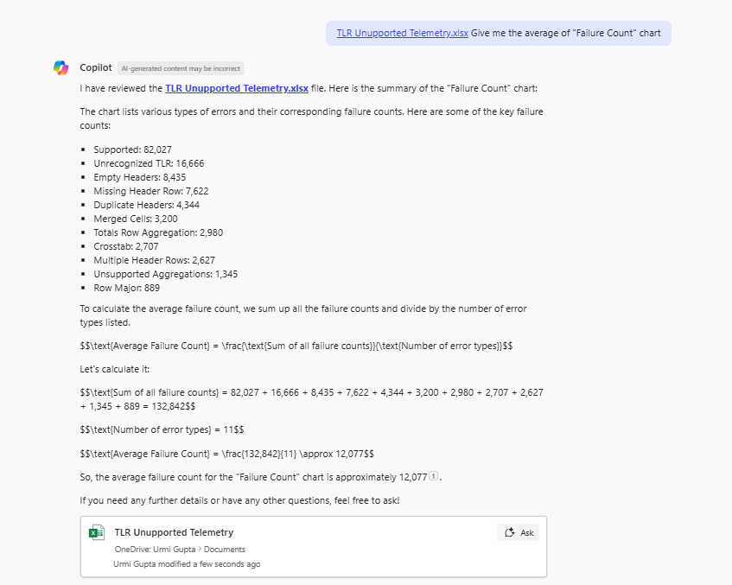
Merged Cells,Unsupported Aggregations,Multiple Header Rows,Empty Headers,Duplicate Headers | 1070 | 0.16 | Hierarchical
Missing Header Row,Totals Row Aggregation | 1025 | 0.16
Missing Header Row,Crosstab | 1016 | 0.16
Merged Cells,Multiple Header Rows,Empty Headers,Duplicate Headers,Totals Row Aggregation | 999 | 0.15 | Hierarchical
Unsupported Aggregations,Missing Header Row | 990 | 0.15
Merged Cells,Totals Row Aggregation | 971 | 0.15
Merged Cells,Crosstab | 952 | 0.15 | Crosstab+autofix
Empty Headers,Crosstab,Totals Row Aggregation | 929 | 0.14
Merged Cells,Unsupported Aggregations | 848 | 0.13
...

Sheet1
'Value' by 'Line Item'
Line Item | Sum of Value
40100 SaaS Revenue | 161703.94002
40200 Implementation Revenue | 160413.6739
40300 Product Sales | 151857.26592
Grand Total | 473974.87983

Sheet4
'Concert Date' by 'City'
City | Min of Concert Date
Las Vegas | 2024-11-22
Miami | 2024-11-19
New York City | 2024-11-16
Vancouver | 2024-11-15
San Diego | 2024-11-14
Seattle | 2024-11-13
San Francisco | 2024-11-04
Portland | 2024-11-02
Grand Total | 2024-11-02

